Defects
Defect # | Status | Defect Tittle | Tested on Version | Module Name | Defect Description | TestCase Id | Steps to Reproduce |  |  | Enviroment | Evidence | Priority | Severity
 |  |  |  |  |  |  | Steps | Expected Results | Actual Results
bug-01 | Closed | HTTP 500 Error on demo.guru99.com - Page Not Loading | v1 & 2 & 3 | New Customer(m) | Loged in with manager credentials and try to adding new customer with vaild format | NC-01 | 1) login as a manager. 2) click on add new customer. 3) fill all data with valid foramt. | An maessage "New Customer added Successfully" must be shown | This page isn’t working right now demo.guru99.com can't currently handle this request. HTTP ERROR 500 | Chrome V138.0 | 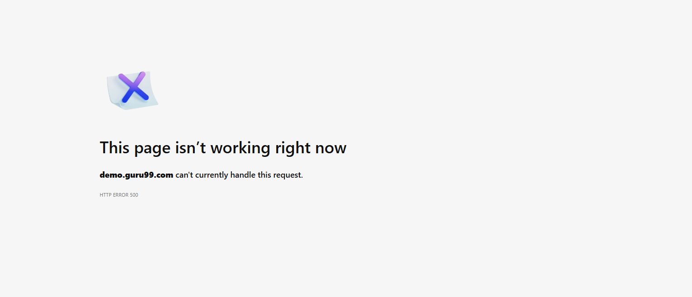 | High | High
bug-02 | Closed | Incorrect Error Message When Customer Name Starts with Space | v1 & 2 & 3 | New Customer(m) | Leading space in Customer Name shows wrong error — “Numbers are not allowed” instead of “First character cannot be space”. | NC-05 | 1) login as a manager. 2) click on add new customer. 3)Enter space at name feild before entering the name. 4) fill all data with valid foramt. | An error message "First character cannot be space" must be shown | An error message "Numbers are not allowed" | Chrome V138.0 | 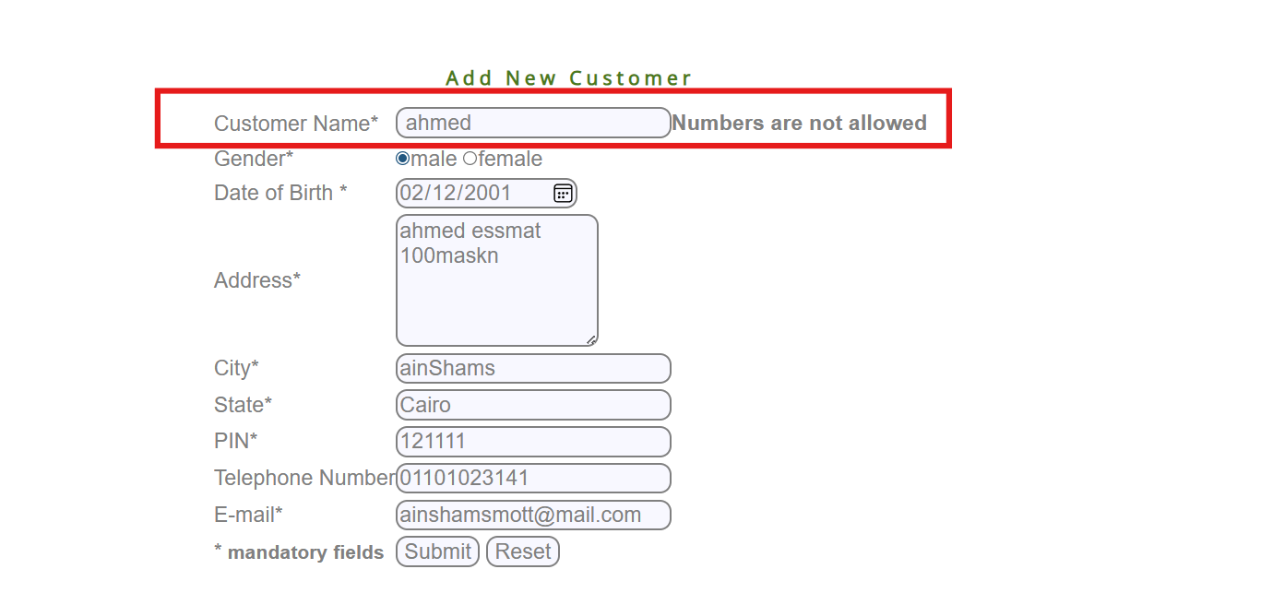 | Medium | Low
bug-03 | Closed | Incorrect Error msg when adding customer name with 2 parts | v1 & 2 & 3 | New Customer(m) | Adding name consist from 2 parts leading to error msg | NC-07 | 1) login as a manager. 2) click on add new customer. 3)Enter name from two part at name feild (Mario Gonzalez). 4) fill all data with valid foramt. | New Customer added successfully | An error message "Numbers are not allowed" | Chrome V138.0 | 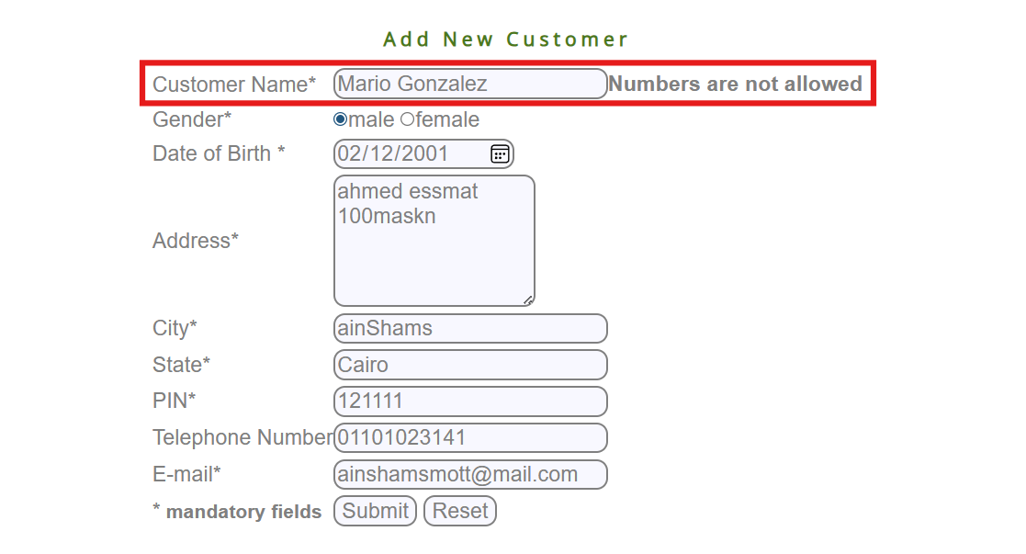 | Medium | High
bug-04 | Closed | No Error Shown When Address Field is Left Blank | v1 & 2 & 3 | New Customer(m) | Leaving the address field empty does not trigger the expected error message: “Address Field must not be blank. | NC-11 | 1) login as a manager. 2) click on add new customer. 3) Leave address feild empty. 4) fill all data with valid foramt. | An error message "Address Field must not be blank" must be shown | No thing happend | Chrome V138.0 | 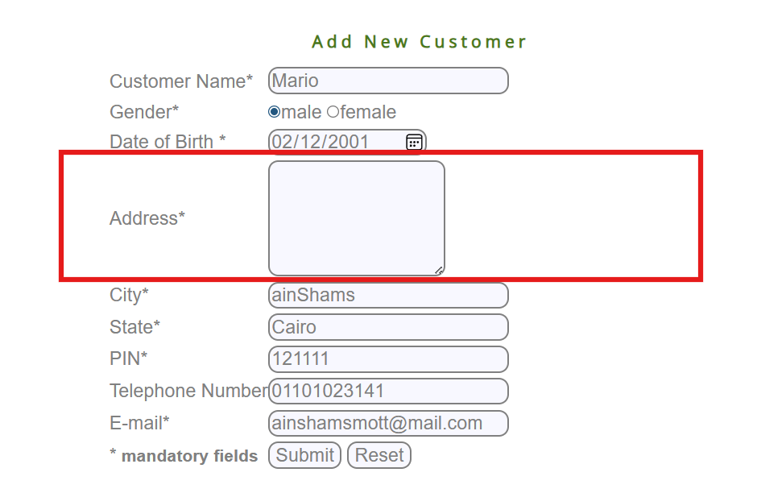 | High | High
bug-05 | Closed | No Error Shown When Address Field start with space | v1 & 2 & 3 | New Customer(m) | adding space at first of the address field does not trigger the expected error message: “Address Field must not be blank. | NC-12 | 1) login as a manager. 2) click on add new customer. 3) enter space then address. 4) fill all data with valid foramt. | An error message "Address Field must not be blank" must be shown | No thing happend | Chrome V138.0 | 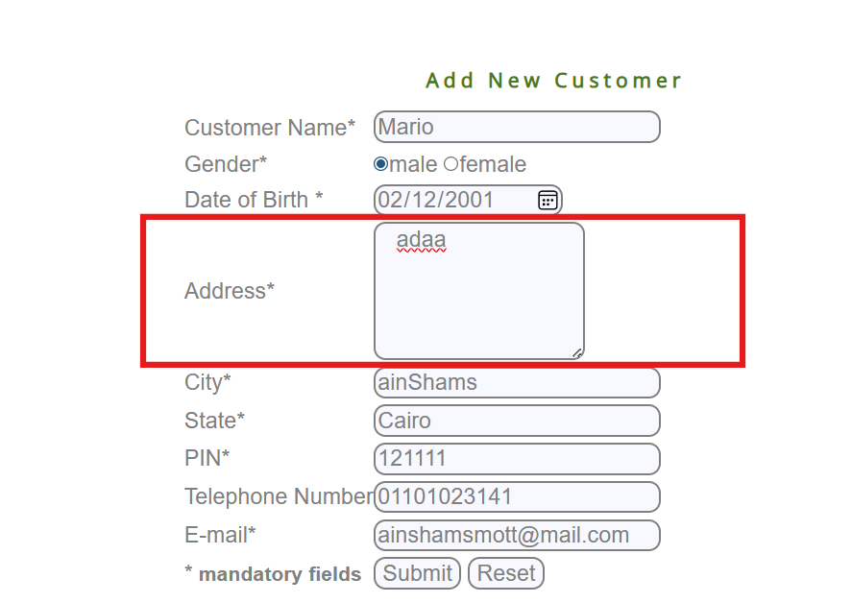 | High | High
bug-06 | Closed | No Error Shown When Address Field start with space | v1 & 2 & 3 | New Customer(m) | adding special char to the address field does not trigger the expected error message: “address cant have special char | NC-12 | 1) login as a manager. 2) click on add new customer. 3) enter space then address. 4) fill all data with valid foramt. | An error message "address cant have special char" must be shown | No thing happend | Chrome V138.0 | 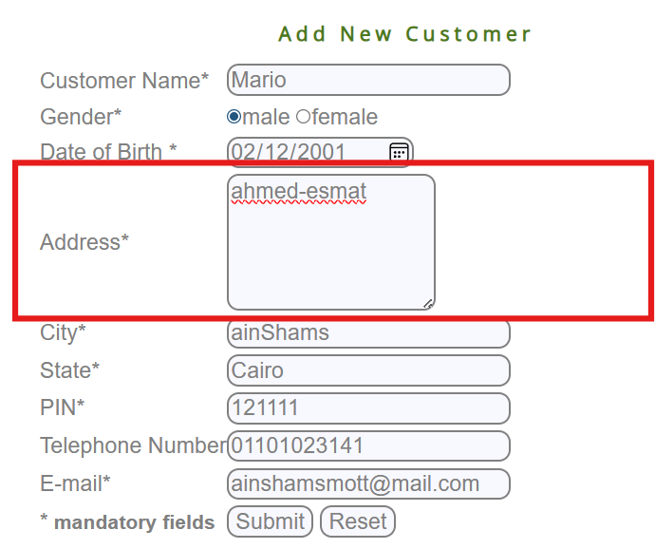 | High | High
bug-07
bug-08
bug-09
bug-10
bug-11
bug-12
bug-13
bug-14
bug-15
bug-16
bug-17

